Heatmap
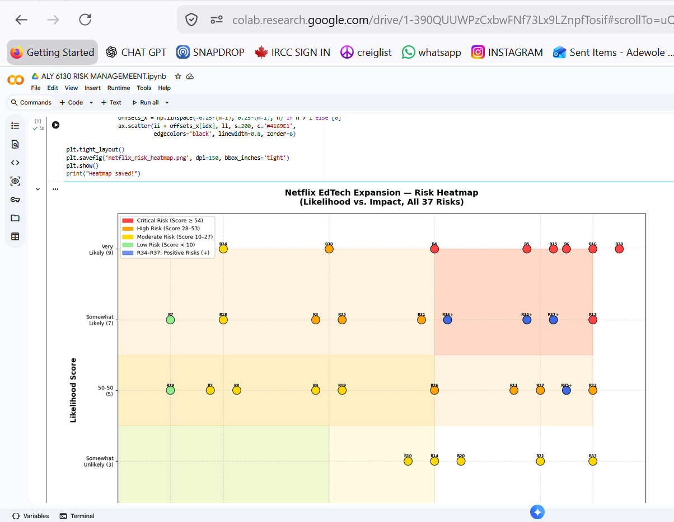
Netflix — AI-Personalized Professional Upskilling | Risk Heatmap (Likelihood vs. Impact)
37 Risks Plotted | 🔴 Critical (≥54) | 🟠 High (28–53) | 🟡 Moderate (10–27) | 🟢 Low (<10) | ★ Blue = Positive Opportunity (R34–R37)
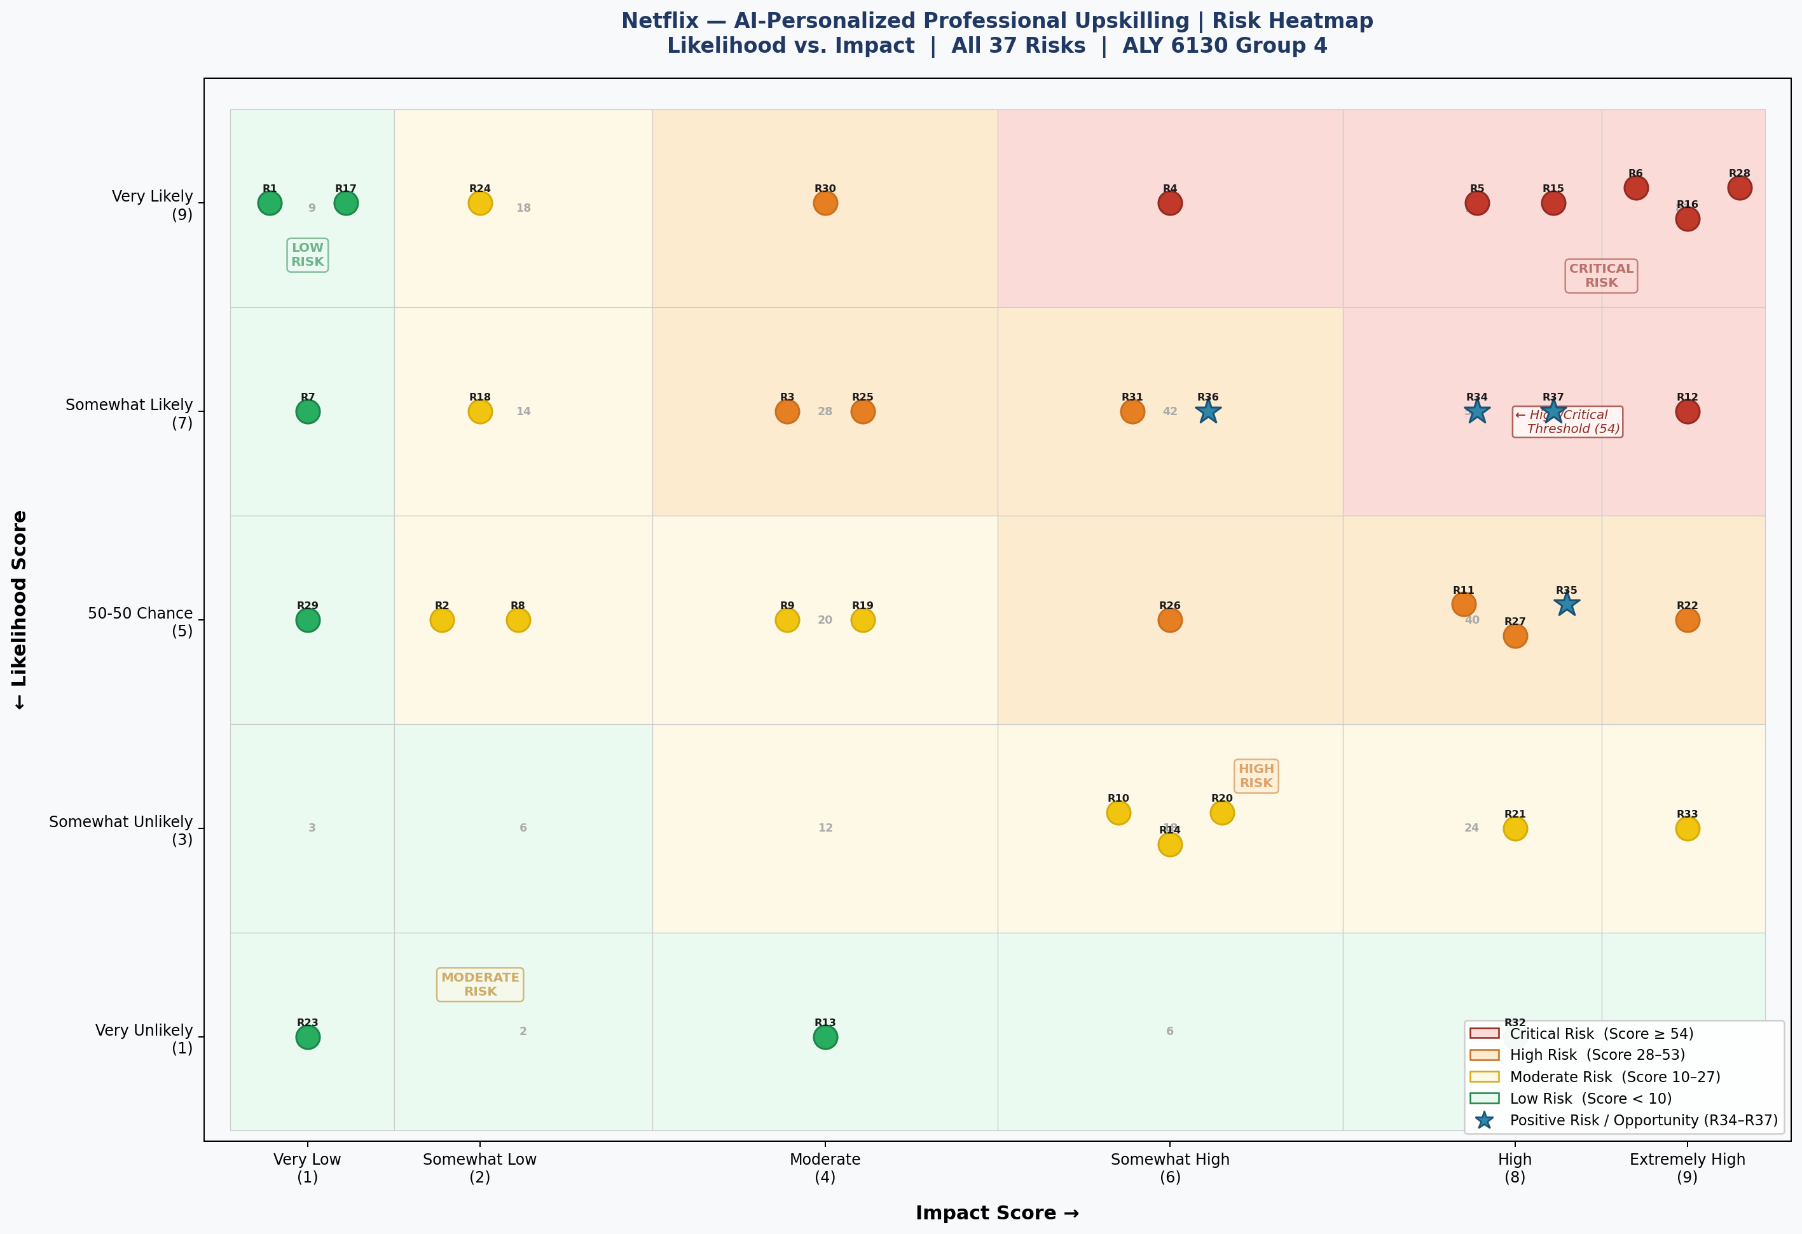

Generated programmatically in Python (matplotlib) on Google Colab | Scores from Risk Register | ALY 6130 Group 4 | June 2026

